Sheet 3
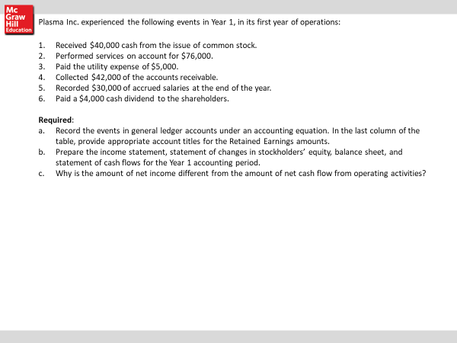
1
2
3
4
5
6
7
8

9
10

 |  | ACCOUNTING EQUATION: BALANCE SHEET |  |  |  |  |  |  |  |  |  |  |  |  |  |  |  |  |  | INCOME ST

EVENT |  | ASSETS |  |  |  |  |  |  | = | LIABILITIES |  |  |  | + | SHARHOLDERS EQUITY |  |  | REVENUE |  | EXPENSES | NET INCOME | cash flow st.

 |  | CASH | ACCT REC | INVENTORY | LAND | PROP PL &EQ |  |  |  | ACCT PAY | NOTES PAY | INT. PAY |  |  | C/S | RET EARN. |  | SALES
 | BEG BAL | $- |  |  |  |  |  |  |  |  |  |  |  |  |  |  |  |  | -
 |  | - |  |  | - |  |  |  |  | - |  |  |  |  | - | - |  | - | -
 |  | - | - |  |  |  |  |  |  |  | - |  |  |  |  | - |  |  | - | -
 |  | - |  |  |  | - |  |  |  |  |  |  |  |  | - | - |  |  | - | -
 |  |  |  |  | - |  |  |  |  | - |  |  |  |  |  | - |  |  | -
 |  |  | - | - |  |  |  |  |  |  |  |  |  |  |  |  |  |  | -
 |  | - |  |  |  |  |  |  |  |  |  |  |  |  |  |  |  |  | -
 |  |  |  |  |  |  |  |  |  |  |  |  |  |  |  |  |  |  | -
 |  |  |  |  |  |  |  |  |  |  |  |  |  |  |  |  |  |  | -
 | BALANCE | $- | $- | $- | $- | $- | $- | $- | = | $- | $- | $- | $- | + | $- | $- |  | $- | - | $- | $-

 |  |  | $- |  |  |  |  |  |  |  |  | $-

 | INCOME STATEMENT |  |  |  |  |  | STATEMENT OF STOCKHOLDERS EQUITY |  |  |  |  |  |  |  | BALANCE SHEET

 | REVENUE |  | $- |  |  |  | Beg common stock |  |  | $- |  |  |  |  | Assets:
 |  |  |  |  |  |  | add: stock issued |  |  | - |  |  |  |  | Cash | $-
 | Total revenue |  |  | - |  |  |  |  |  |  |  |  |  |  | A/R | -
 | EXPENSES |  |  |  |  |  | Ending common stock |  |  |  | $- |  |  |  | Less allow DA
 |  |  | - |  |  |  |  |  |  |  |  |  |  |  | Net A/R
 |  |  | - |  |  |  | Beg Ret. Earn. |  |  |  |  |  |  |  | Inventory | -
 |  |  | - |  |  |  | add: Net income |  |  | - |  |  |  |  | Land
 |  |  |  |  |  |  | less: dividends |  |  |  |  |  |  |  | PP&E
 | TOTAL EXPENSES |  |  | - |  |  | Ending Ret. Earn. |  |  |  | $- |  |  |  | accum deprec
 |  |  |  |  |  |  |  |  |  |  |  |  |  |  | Total assets |  | $-
 | NET INCOME/LOSS |  |  | - |  |  | Total Shareholders Equity |  |  |  | $-
 |  |  |  |  |  |  |  |  |  |  |  |  |  |  | Liabliltiies:
 |  |  |  |  |  |  |  |  |  |  |  |  |  |  | Acct pay | $-
 |  |  |  |  |  |  |  |  |  |  |  |  |  |  | Notes pay
 |  |  |  |  |  |  |  |  |  |  |  |  |  |  | Interest pay
 | STATEMENT OF CASH FLOWS
 |  |  |  |  |  |  |  |  |  |  |  |  |  |  | Total Liab |  | $-
 | Cash from Operating activities |  |  | $-
 | Cash paid for inventory |  |  | - |  |  |  |  |  |  |  |  |  |  | Stockholders equity
 | Cash payments for expenses |  |  | - |  |  |  |  |  |  |  |  |  |  | Common Stock | 0
 |  | Net Cash from Oper Act. |  |  |  |  |  |  |  |  |  |  |  |  | Retained Earnings | 0
 |  |  |  |  |  |  |  |  |  |  |  |  |  |  |  |  | $-
 | Cash Flow from investing activites |  |  |  | $-
 |  |  |  |  |  |  |  |  |  |  |  |  |  |  | Total Liab & OE |  | $-

 | Net cash flow form Investing Activities

 |  | Net cash flow from Inv Act |  |  | $-

 | Cash flow from Financing Activites
 | Issuance of C/S |  |  | $-

 |  | Net cash flow form Fin Act |  |  | $-

 | Net Increase/decrease in cash |  |  |  | $-

 | Beg cash |  |  |  | 0
 | Ending Cash |  |  |  | $-

